Cost Comparison
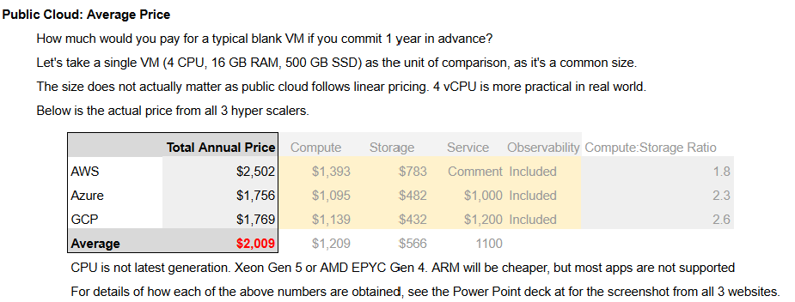
Public Cloud Cost
 | This is based on the average of AWS, Azure and Google GCP
 | CPU Price | $171 | per vCPU per year
 | RAM Price | $43 | per GB per year
 | Public Cloud does not have Class of Service. Gold VM is treated the same way as Bronze VM. The entire philosophy of public cloud is Cattle, not Pet.
 | The cost is likely higher as the above does not include egress network

Private Cloud Cost
 | Private Cloud total cost | $165,000 | per ESXi
 | The cost needs to include 1 HA host per cluster. This model uses 9+1 hosts per cluster

Planning Scenario: Mostly Gold VMs
 | Class of Service | No of VM | VM Size |  | Public Cloud Cost
 |  |  | vCPU | RAM
 | Gold Class VM | 6 | 16 | 64 | $32,928
 | Silver Class VM | 1 | 8 | 32 | $2,744
 | Bronze Class VM | 3 | 4 | 16 | $4,116
 | Total | 10 |  |  | $39,788

 |  |  | 5 Year Public Cloud spending |  | $198,940
 |  |  | Savings with Private Cloud |  | $33,000

Planning Scenario: Mostly Silver VMs
 | Class of Service | No of VM | VM Size |  | Public Cloud Cost
 |  |  | vCPU | RAM
 | Gold Class VM | 2 | 16 | 64 | $10,976
 | Silver Class VM | 13 | 8 | 32 | $35,672
 | Bronze Class VM | 8 | 4 | 16 | $10,976
 | Total | 23 |  |  | $57,624

 |  |  | 5 Year Public Cloud spending |  | $288,120
 |  |  | Savings with Private Cloud |  | $123,000

Planning Scenario: Mostly Bronze VMs
 | Class of Service | No of VM | VM Size |  | Public Cloud Cost
 |  |  | vCPU | RAM
 | Gold Class VM | 1 | 16 | 64 | $5,488
 | Silver Class VM | 6 | 8 | 32 | $16,464
 | Bronze Class VM | 27 | 4 | 16 | $37,044
 | Total | 34 |  |  | $58,996

 |  |  | 5 Year Public Cloud spending |  | $294,980
 |  |  | Savings with Private Cloud |  | $129,000

Reference
 | For details how we got this number, see https://docs.google.com/spreadsheets/d/1gRXwvZSIhz_C2bEQbrHmQsudqYq47LI0xYcBBwxSXO8/edit?usp=sharing

